Openning
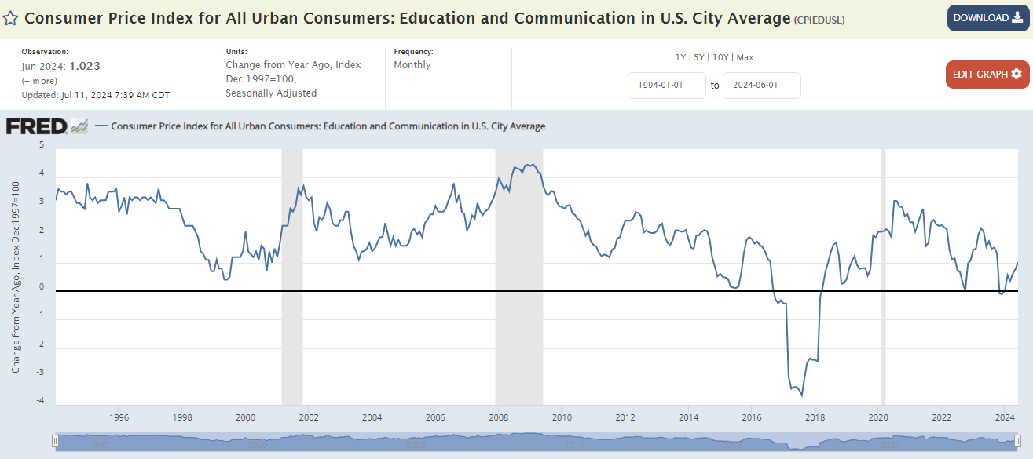
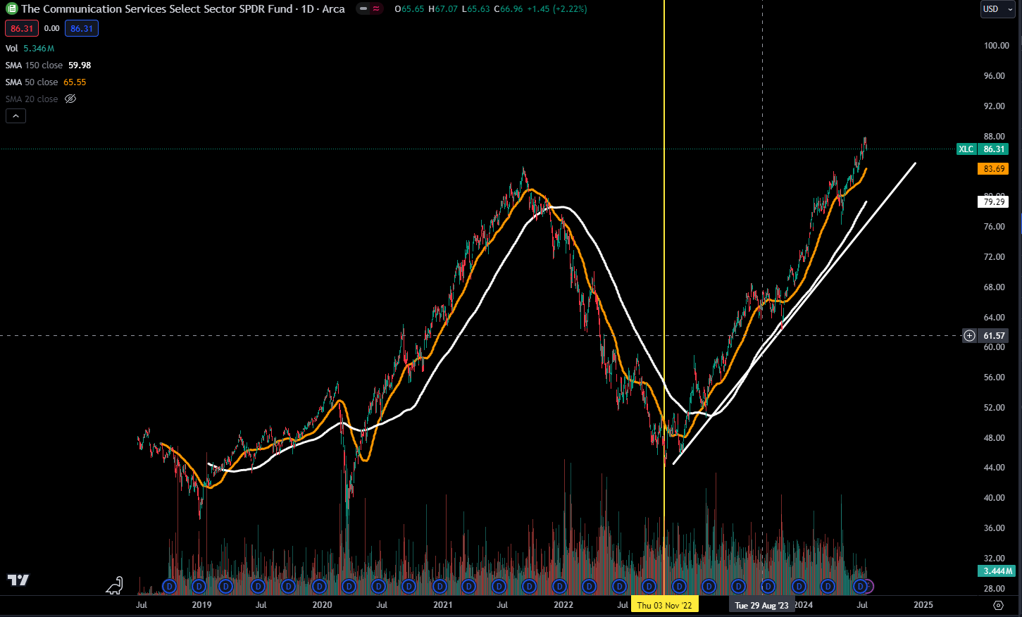

 |  |  |  | building products
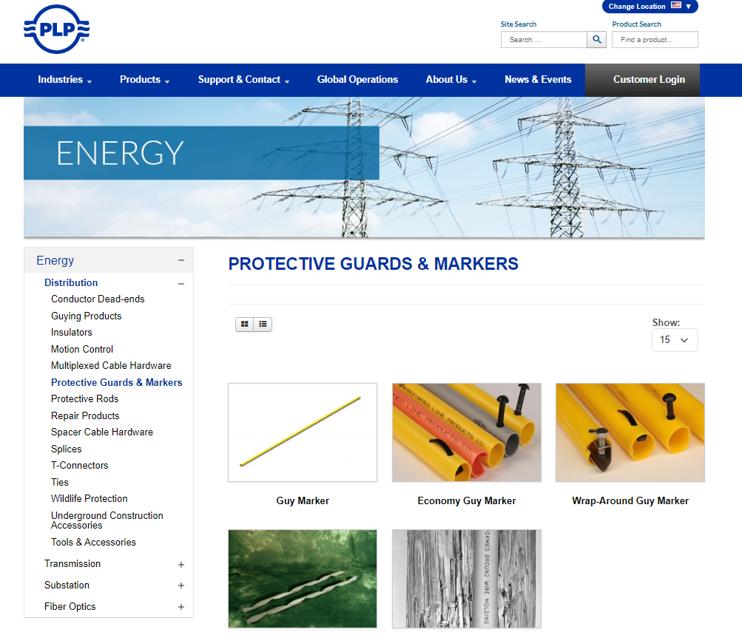
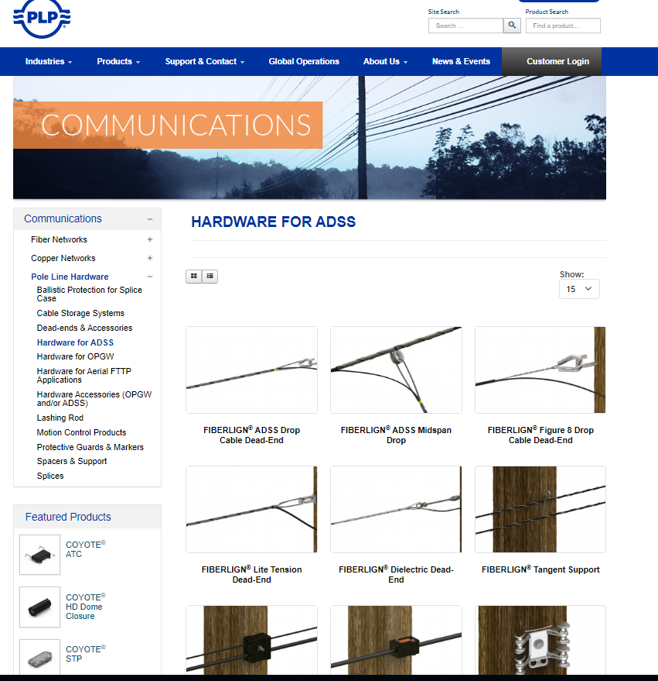

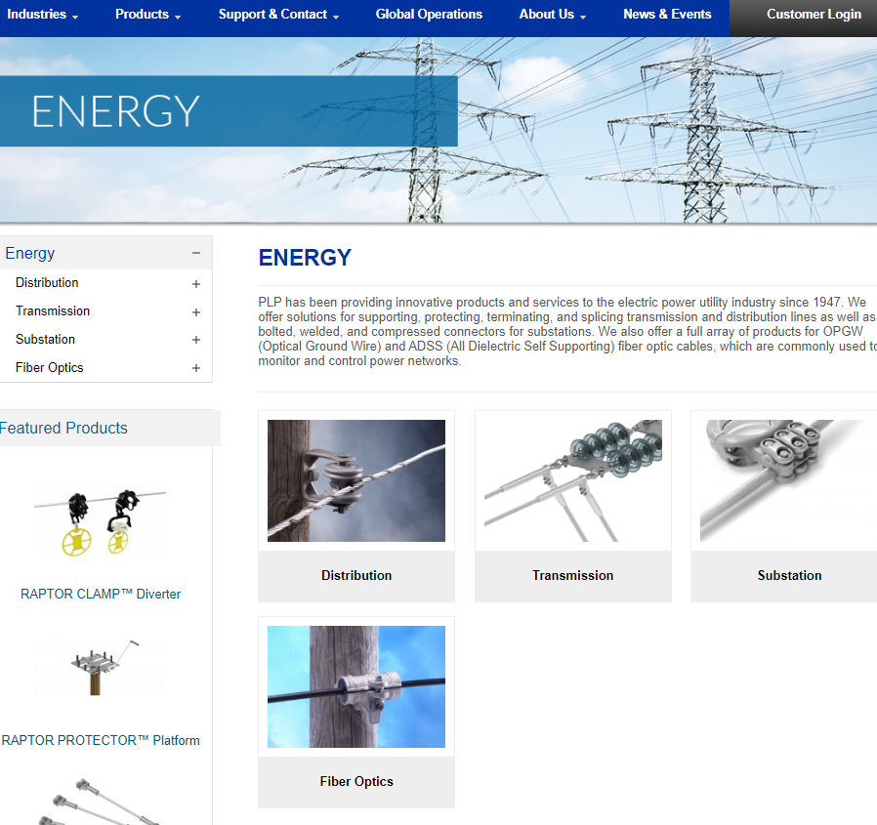

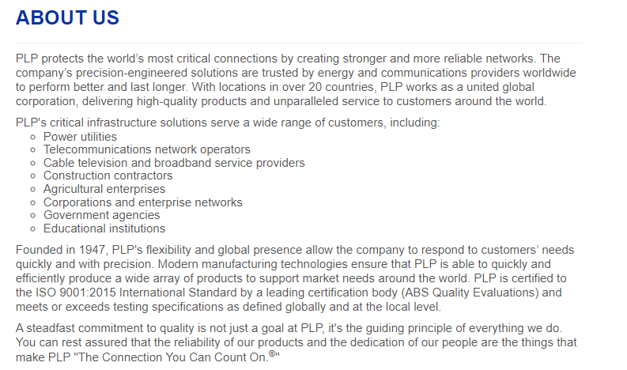
building products for the industries:
communications
energy
renewables
special industries:
 | agriculture
 | arborist
 | elevator
 | industrial & construction
 | metal buildings
 | Tower & Antenna
 | urethane

IMPORTANT NOTES FROM THE 2023 ANNUAL REPORT
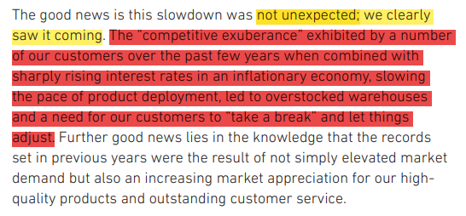
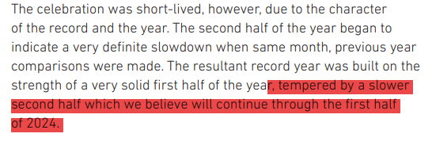

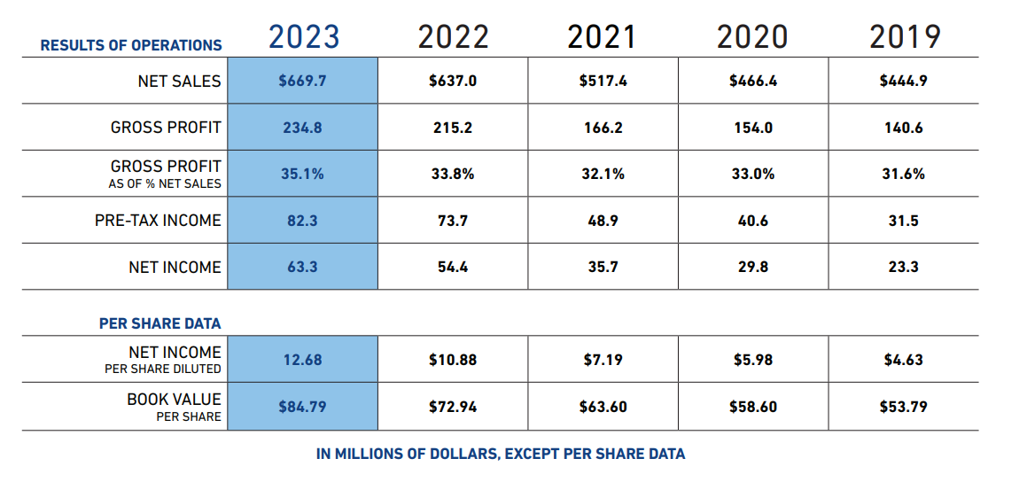

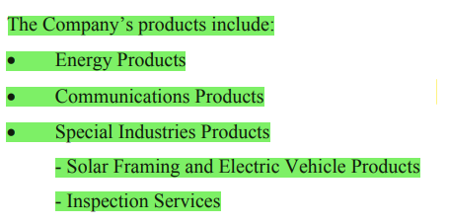

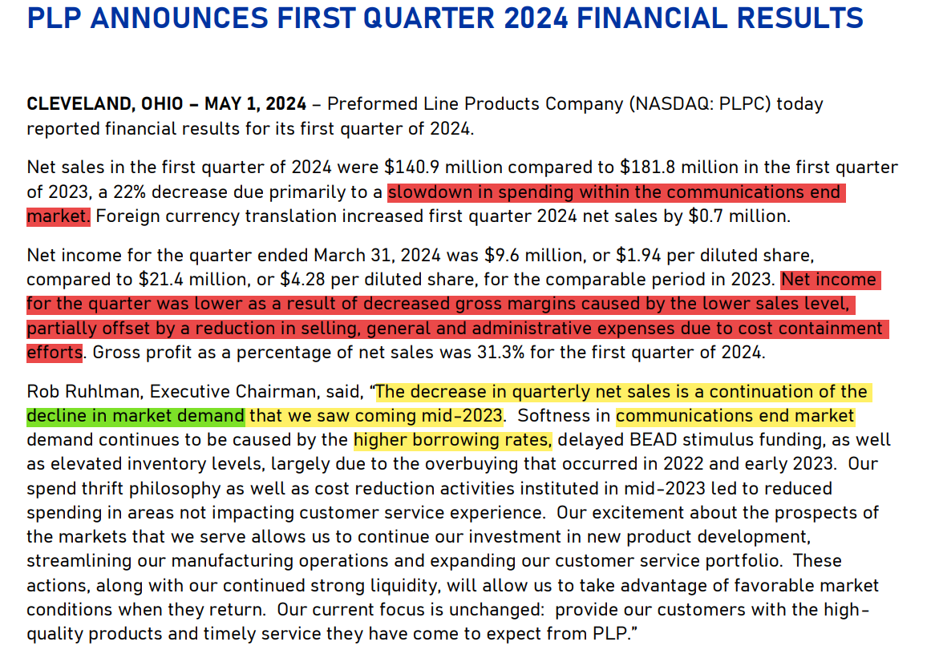

 |  |  | 4q 2023
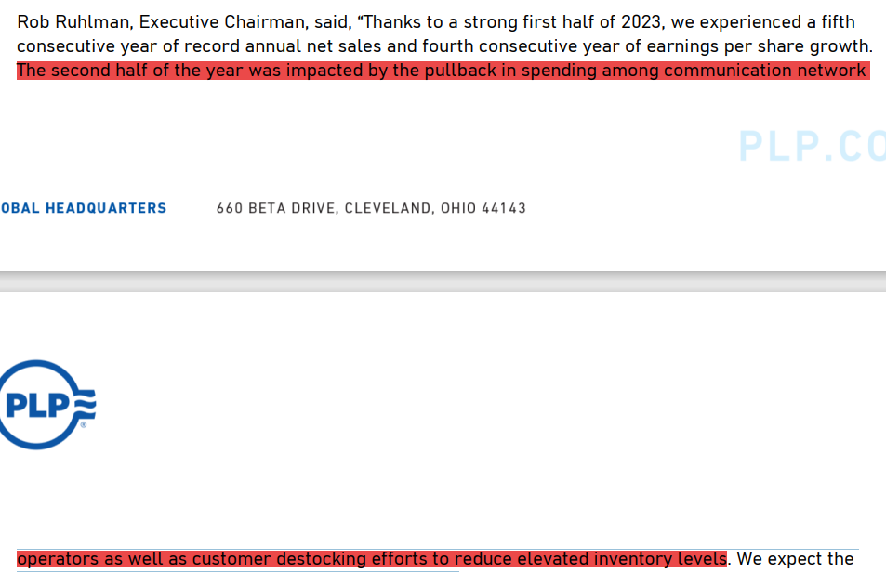

 |  | q3 2024

analysis
net income
 | year | net income
 | 2011 | $31.00
 | 2012 | $29.00
 | 2013 | $21.00
 | 2014 | $13.00
 | 2015 | $7.00
 | 2016 | $15.00
 | 2017 | $13.00
 | 2018 | $27.00
 | 2019 | $23.00
 | 2020 | $30.00
 | 2021 | $36.00
 | 2022 | $54.00
 | 2023 | $63.00

 | current cash |  | $45.86 | mill
 | shares outstanding |  | 4.92 | mill

 | cash per share |  | $9.32

 | book value of shareholders equity |  |  |  | $413.37 | mill

 | per share |  |  |  | $84.02 | mill

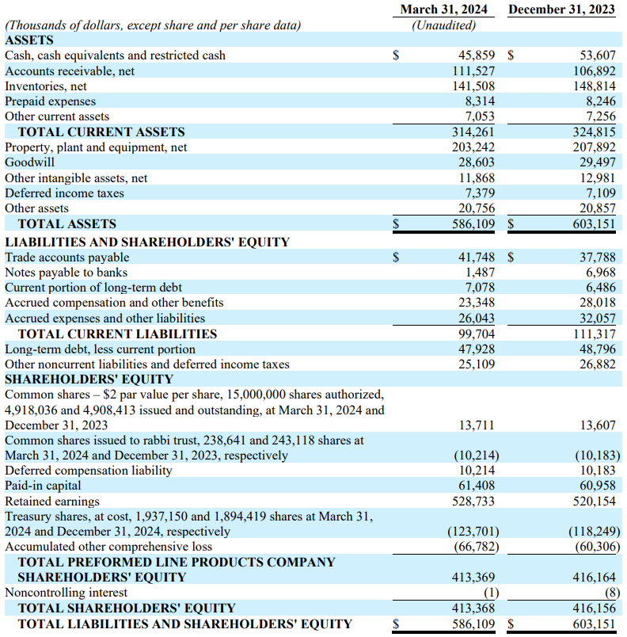
 | BALANCE SHEET
 | latest balance sheet - 2024 q1

 | cash/current liab: |  | 0.46

 | cash/total liab: |  | 0.27

 | total lianilities: |  | $172,741 | thousands

 | current assets/current liab: |  |  | 3.15

 | current assets/total liabilities: |  |  | 1.82

 | total assets/total liabilities: |  |  | 3.39

 | long term debt portion from total liab: |  |  |  | 27.7%

 | shares outstanding
 | year | shares outstanding (millions)
 | 2009 | 5
 | 2010 | 5
 | 2011 | 5
 | 2012 | 5
 | 2013 | 5
 | 2014 | 5
 | 2015 | 5
 | 2016 | 5
 | 2017 | 5
 | 2018 | 5
 | 2019 | 5
 | 2020 | 5
 | 2021 | 5
 | 2022 | 5
 | 2023 | 5

net income by quarter
ttm - net income
 | ttm
2019 Q3
2019 Q4
2020 Q1 | $17,299
2020 Q2 | $19,743
2020 Q3 | $27,103
2020 Q4 | $26,108
2021 Q1 | $22,797
2021 Q2 | $18,726
2021 Q3 | $26,771
2021 Q4 | $28,544
2022 Q1 | $31,954
2022 Q2 | $34,972
2022 Q3 | $37,911
2022 Q4 | $42,098
2023 Q1 | $49,796
2023 Q2 | $58,371
2023 Q3 | $57,028
2023 Q4 | $41,918
2024 Q1 | $31,057
 | QUARTER | net income | % growth | ttm
 | 2019 Q3 | $8,044
 | 2019 Q4 | $5,602 | -30.4%
 | 2020 Q1 | $3,653 | -34.8% | $17,299
 | 2020 Q2 | $10,488 | 187.1% | $19,743
 | 2020 Q3 | $12,962 | 23.6% | $27,103
 | 2020 Q4 | $2,658 | -79.5% | $26,108
 | 2021 Q1 | $7,177 | 170.0% | $22,797
 | 2021 Q2 | $8,891 | 23.9% | $18,726
 | 2021 Q3 | $10,703 | 20.4% | $26,771
 | 2021 Q4 | $8,950 | -16.4% | $28,544
 | 2022 Q1 | $12,301 | 37.4% | $31,954
 | 2022 Q2 | $13,721 | 11.5% | $34,972
 | 2022 Q3 | $11,889 | -13.4% | $37,911
 | 2022 Q4 | $16,488 | 38.7% | $42,098
 | 2023 Q1 | $21,419 | 29.9% | $49,796
 | 2023 Q2 | $20,464 | -4.5% | $58,371
 | 2023 Q3 | $15,145 | -26.0% | $57,028
 | 2023 Q4 | $6,309 | -58.3% | $41,918
net income - first quarter
 | 2024 Q1 | $9,603 | 52.2% | $31,057

 | QUARTER | net income
 | 2020 Q1 | $3,653
 | 2021 Q1 | $7,177
 | 2022 Q1 | $12,301
 | 2023 Q1 | $21,419
 | 2024 Q1 | $9,603

 | QUARTER | net income
 | 2019 Q4 | $5,602
 | 2020 Q4 | $2,658
 | 2021 Q4 | $8,950
 | 2022 Q4 | $16,488
 | 2023 Q4 | $6,309
net income % growth
 | % growth
2019 Q3
2019 Q4 | -30.4%
2020 Q1 | -34.8%
2020 Q2 | 187.1%
2020 Q3 | 23.6%
2020 Q4 | -79.5%
2021 Q1 | 170.0%
2021 Q2 | 23.9%
2021 Q3 | 20.4%
2021 Q4 | -16.4%
2022 Q1 | 37.4%
2022 Q2 | 11.5%
2022 Q3 | -13.4%
2022 Q4 | 38.7%
2023 Q1 | 29.9%
2023 Q2 | -4.5%
2023 Q3 | -26.0%
2023 Q4 | -58.3%
2024 Q1 | 52.2%
 |  |  |  |  |  |  |  |  |  |  |  |  |  |  |  |  |  | average: | 18.4%
 |  |  |  |  |  |  |  |  |  |  |  |  |  |  |  |  |  | median: | 16.0%

 | period of stable growth
 |  |  |  |  |  |  |  |  |  |  |  |  |  |  |  |  | average: | 14.2%
QUARTER | net income | % growth | ttm |  |  |  |  |  |  |  |  |  |  |  |  |  | median: | 20.4%
2021 Q2 | $8,891 | 23.9% | $18,726
2021 Q3 | $10,703 | 20.4% | $26,771
2021 Q4 | $8,950 | -16.4% | $28,544
2022 Q1 | $12,301 | 37.4% | $31,954
2022 Q2 | $13,721 | 11.5% | $34,972
2022 Q3 | $11,889 | -13.4% | $37,911
2022 Q4 | $16,488 | 38.7% | $42,098
2023 Q1 | $21,419 | 29.9% | $49,796
2023 Q2 | $20,464 | -4.5% | $58,371

 | QUARTER | net income | % growth
 | 2019 Q3 | $8,044
 | 2019 Q4 | $5,602 | -30.4%
 | 2020 Q1 | $3,653 | -34.8%
 | 2020 Q2 | $10,488 | 187.1%
 | 2020 Q3 | $12,962 | 23.6%
 | 2020 Q4 | $2,658 | -79.5%
 | 2021 Q1 | $7,177 | 170.0%
 | 2021 Q2 | $8,891 | 23.9%
 | 2021 Q3 | $10,703 | 20.4%
 | 2021 Q4 | $8,950 | -16.4%
 | 2022 Q1 | $12,301 | 37.4%
 | 2022 Q2 | $13,721 | 11.5%
 | 2022 Q3 | $11,889 | -13.4%
 | 2022 Q4 | $16,488 | 38.7%
 | 2023 Q1 | $21,419 | 29.9%
 | 2023 Q2 | $20,464 | -4.5%
 | 2023 Q3 | $15,145 | -26.0%
 | 2023 Q4 | $6,309 | -58.3%
 | 2024 Q1 | $9,603 | 52.2%
 | 2024 Q2 | $10,947 | 14%
 | 2024 Q3 | $12,480 | 14%
 | 2024 Q4 | $14,227 | 14% |  | total 2024: | $47,258
 | 2025 Q1 | $16,219 | 14% |  | total 2025: | $79,816
 | 2025 Q2 | $18,490 | 14%
 | 2025 Q3 | $21,078 | 14%
 | 2025 Q4 | $24,029 | 14%

 | year | net income |  |  |  |  |  |  |  |  |  |  |  |  |  |  |  |  |  | בהינתן ביצוע נורמלי וממוצע של החברה, ובהינתן השערת הנהלה כי כוח הקונים לסקטור ה - communication, האם צפוי צמיחה ברווח הנקי
 | 2011 | $31.00
 | 2012 | $29.00
 | 2013 | $21.00
 | 2014 | $13.00
 | 2015 | $7.00
 | 2016 | $15.00
 | 2017 | $13.00
 | 2018 | $27.00
 | 2019 | $23.00
 | 2020 | $30.00
 | 2021 | $36.00
 | 2022 | $54.00
 | 2023 | $63.00
 | 2024 | $47.258
 | 2025 | $79.816

 |  |  |  |  |  |  |  |  |  |  |  |  |  |  |  |  |  |  |  |  | עשרים עשרים וארבע צפויה להיות שנה יותר חלשה בהיבט של הרווח הנקי של החברה, כתוצאה מכך לא צפוי לדעתי עליות מסיביות במחיר המניה, אך בטווח הארוך, המאזן שלה מאוד חזק, החברה עצמה איכותית, ומחיר המניה ההוגן הוא הרבה מעל מקומה הנוכחי

 | QUARTER | net income | % growth | revenues | rev % growth | net margins
 | 2019 Q3 | $8.04 |  | $119.22 |  | 7%
 | 2019 Q4 | $5.60 | -30.4% | $113.65 | -4.7% | 5%
 | 2020 Q1 | $3.65 | -34.8% | $102.85 | -9.5% | 4%
 | 2020 Q2 | $10.49 | 187.1% | $117.63 | 14.4% | 9%
 | 2020 Q3 | $12.96 | 23.6% | $127.46 | 8.4% | 10%
 | 2020 Q4 | $2.66 | -79.5% | $118.51 | -7.0% | 2%
 | 2021 Q1 | $7.18 | 170.0% | $117.55 | -0.8% | 6%
 | 2021 Q2 | $8.89 | 23.9% | $133.04 | 13.2% | 7%
 | 2021 Q3 | $10.70 | 20.4% | $135.38 | 1.8% | 8%
 | 2021 Q4 | $8.95 | -16.4% | $131.45 | -2.9% | 7%
 | 2022 Q1 | $12.30 | 37.4% | $138.22 | 5.2% | 9%
 | 2022 Q2 | $13.72 | 11.5% | $163.74 | 18.5% | 8%
 | 2022 Q3 | $11.89 | -13.4% | $165.40 | 1.0% | 7%
 | 2022 Q4 | $16.49 | 38.7% | $169.93 | 2.7% | 10%
 | 2023 Q1 | $21.42 | 29.9% | $181.82 | 7.0% | 12%
 | 2023 Q2 | $20.46 | -4.5% | $181.81 | 0.0% | 11%
 | 2023 Q3 | $15.15 | -26.0% | $160.44 | -11.8% | 9%
 | 2023 Q4 | $6.31 | -58.3% | $145.60 | -9.2% | 4%
 | 2024 Q1 | $9.60 | 52.2% | $140.90 | -3.2% | 7%

 | QUARTER | net income | % growth | year growth
 | 2020 Q2 | $10,488 | 187.1% | #VALUE!
 | 2021 Q2 | $8,891 | 23.9% | -15%
 | 2022 Q2 | $13,721 | 11.5% | 54%
 | 2023 Q2 | $20,464 | -4.5% | 49%

revenue % growth
 | rev % growth
2019 Q3
2019 Q4 | -4.7%
2020 Q1 | -9.5%
2020 Q2 | 14.4%
2020 Q3 | 8.4%
2020 Q4 | -7.0%
2021 Q1 | -0.8%
2021 Q2 | 13.2%
2021 Q3 | 1.8%
2021 Q4 | -2.9%
2022 Q1 | 5.2%
2022 Q2 | 18.5%
2022 Q3 | 1.0%
2022 Q4 | 2.7%
2023 Q1 | 7.0%
2023 Q2 | 0.0%
2023 Q3 | -11.8%
2023 Q4 | -9.2%
2024 Q1 | -3.2%
revenues by quarter
 |  |  |  |  |  |  |  |  |  |  |  |  |  |  |  | revenues | rev % growth
 |  |  |  |  |  |  |  |  |  |  |  |  |  |  |  | $117.63 | 14.4% |  | average: | 7.2%
 |  |  |  |  |  |  |  |  |  |  |  |  |  |  |  | $127.46 | 8.4% |  | median: | 6.1%
 |  |  |  |  |  |  |  |  |  |  |  |  |  |  |  | $133.04 | 13.2%
 |  |  |  |  |  |  |  |  |  |  |  |  |  |  |  | $135.38 | 1.8%
 |  |  |  |  |  |  |  |  |  |  |  |  |  |  |  | $138.22 | 5.2%
 |  |  |  |  |  |  |  |  |  |  |  |  |  |  |  | $163.74 | 18.5%
 |  |  |  |  |  |  |  |  |  |  |  |  |  |  |  | $165.40 | 1.0%
 |  |  |  |  |  |  |  |  |  |  |  |  |  |  |  | $169.93 | 2.7%
 |  |  |  |  |  |  |  |  |  |  |  |  |  |  |  | $181.82 | 7.0%
 |  |  |  |  |  |  |  |  |  |  |  |  |  |  |  | $181.81 | 0.0%

 |  | average: | 1.3%
 |  | median: | 0.5%
 |  |  |  |  |  |  |  |  | year | revenue |  | QUARTER | revenues | rev % growth
 |  |  |  |  |  |  |  |  | 1996 | $184.78 |  | 2019 Q3 | $119.22
yearly revenues - forecast
 |  |  |  |  |  |  |  |  | 1997 | $204.64 |  | 2019 Q4 | $113.65 | -4.7%
 |  |  |  |  |  |  |  |  | 1998 | $216.24 |  | 2020 Q1 | $102.85 | -9.5%
 |  |  |  |  |  |  |  |  | 1999 | $195.25 |  | 2020 Q2 | $117.63 | 14.4%
 |  |  |  |  |  |  |  |  | 2000 | $207.33 |  | 2020 Q3 | $127.46 | 8.4%
 |  |  |  |  |  |  |  |  | 2001 | $196.37 |  | 2020 Q4 | $118.51 | -7.0%
 |  |  |  |  |  |  |  |  | 2002 | $169.84 |  | 2021 Q1 | $117.55 | -0.8%
 |  |  |  |  |  |  |  |  | 2003 | $153.33 |  | 2021 Q2 | $133.04 | 13.2%
 |  |  |  |  |  |  |  |  | 2004 | $183.11 |  | 2021 Q3 | $135.38 | 1.8%
 |  |  |  |  |  |  |  |  | 2005 | $205.80 |  | 2021 Q4 | $131.45 | -2.9%
 |  |  |  |  |  |  |  |  | 2006 | $216.94 |  | 2022 Q1 | $138.22 | 5.2%
 |  |  |  |  |  |  |  |  | 2007 | $233.29 |  | 2022 Q2 | $163.74 | 18.5%
 |  |  |  |  |  |  |  |  | 2008 | $269.74 |  | 2022 Q3 | $165.40 | 1.0%
 |  |  |  |  |  |  |  |  | 2009 | $257.00 |  | 2022 Q4 | $169.93 | 2.7%
 |  |  |  |  |  |  |  |  | 2010 | $338.00 |  | 2023 Q1 | $181.82 | 7.0%
 |  |  |  |  |  |  |  |  | 2011 | $424.00 |  | 2023 Q2 | $181.81 | 0.0%
 |  |  |  |  |  |  |  |  | 2012 | $439.00 |  | 2023 Q3 | $160.44 | -11.8%
 |  |  |  |  |  |  |  |  | 2013 | $410.00 |  | 2023 Q4 | $145.60 | -9.2%
 |  |  |  |  |  |  |  |  | 2014 | $388.00 |  | 2024 Q1 | $140.90 | -3.2%
 |  |  |  |  |  |  |  |  | 2015 | $355.00 |  | 2024 Q2 | $140.90 | 0.00%
 |  |  |  |  |  |  |  |  | 2016 | $337.00 |  | 2024 Q3 | $149.36 | 6.00%
 |  |  |  |  |  |  |  |  | 2017 | $378.00 |  | 2024 Q4 | $158.32 | 6.00%
 |  |  |  |  |  |  |  |  | 2018 | $421.00 |  | 2025 Q1 | $167.82 | 6.00%
 |  |  |  |  |  |  |  |  | 2019 | $444.90 |  | 2025 Q2 | $177.89 | 6.00% | toatl 2024 revenue: |  | $589.49
 |  |  |  |  |  |  |  |  | 2020 | $466.40 |  | 2025 Q3 | $188.56 | 6.00%
 |  |  |  |  |  |  |  |  | 2021 | $517.40 |  | 2025 Q4 | $199.88 | 6.00% | toatl 2025 revenue: |  | $734.14 |  | 24.5%
 |  |  |  |  |  |  |  |  | 2022 | $637.00
 |  |  |  |  |  |  |  |  | 2023 | $669.70
 |  |  |  |  |  |  |  |  | 2024 | $589.49 | -12%
 |  |  |  |  |  |  |  |  | 2025 | $734.14

 |  |  |  |  |  |  |  |  |  |  |  |  |  |  |  |  | מה אני רוצה לראות בדוח רבעון הבא:
 |  |  |  |  |  |  |  | growth %
 |  |  |  |  |  | 2024 Q1 | $9,603 | 52.2% |  |  |  |  |  |  |  |  | הnet income עלה, צמחיה גבוהה מהממוצע צמיחה הרבעוני, כלומר צמיחה גבוהה מ-14%, וצמיחה גבוהה או בסביבות הרבעון האחרון - 49%

 |  |  |  |  |  |  |  |  |  |  |  |  |  |  |  |  | צמיחה ב-net income של YOY באיזור ה50% או יותר

 |  |  |  |  |  |  |  |  |  |  |  |  |  |  |  |  | ה -net margin התייעל או נשאר באותה רמה

 |  |  |  |  |  |  |  |  |  |  |  |  |  |  |  |  | ה - operating margin התייעל או השאר באותה רמה

 |  |  |  |  |  |  |  |  |  |  |  |  |  |  |  |  | צמיחה חיובית ב - revenues

 |  |  |  |  |  |  |  |  |  |  |  |  |  |  |  |  | ה - balance sheet נשאר חזק

WACC
EQUITY

 | risk free rate

 | current us 30y bond: |  | 4.40%
 | average us 30y bond: |  | 3%

Implied Equity Risk Premium for US Equity Market: 1960-2022
 | Implied Premium (DDM)
1960
1961 | 0.0292
1962 | 0.0356
1963 | 0.0338
1964 | 0.0331
1965 | 0.0332
1966 | 0.0368
1967 | 0.032
1968 | 0.03
1969 | 0.0374
1970 | 0.0341
1971 | 0.0309
1972 | 0.0272
1973 | 0.043
1974 | 0.0559
1975 | 0.0413
1976 | 0.0455
1977 | 0.0592
1978 | 0.0572
1979 | 0.0645
1980 | 0.0503
1981 | 0.0573
1982 | 0.049
1983 | 0.0431
1984 | 0.0511
1985 | 0.0384
1986 | 0.0358
1987 | 0.0399
1988 | 0.0377
1989 | 0.0351
1990 | 0.0389
1991 | 0.0348
1992 | 0.0355
1993 | 0.0317
1994 | 0.0355
1995 | 0.0329
1996 | 0.032
1997 | 0.0273
1998 | 0.0226
1999 | 0.0205
2000 | 0.0287
2001 | 0.0362
2002 | 0.041
2003 | 0.0369
2004 | 0.0365
2005 | 0.0408
2006 | 0.0416
2007 | 0.0437
2008 | 0.0643
2009 | 0.0436
...
 | risk free rate Assumption
 | 4.40% |  |  |  | 3.00%

 | equity risk premium

 | the firm didn’t specify revenues by country/region
 | but from reading the annual report, she mainly of not souly operate and sell in the us.

 | current equity risk premium: |  |  |  | 3.97%
 | historical average equity risk premium: |  |  |  | 4.12%

 | PLP-USA - us
 | The Americas - north&south america
 | EMEA - europe, middle east & africa

 |  |  |  | net sales | % from total sales
 | us |  |  | 378.563 | 57%
 | america |  |  | 86.059 | 13%
 | europe, middle east & africa |  |  | 102.13 | 15%
 | asia |  |  | 102.927 | 15%
 | total sales |  |  | 669.679 | 1

 | uk has a 0.65% default risk, and its generally known that its less risky the europe, a 1% default risk for europe will be fine.

 | america exluding usa has from one side countries like canada, but on the other hand has mexico and brazil, a 2% will be right.

 | currernt
 |  |  |  | net sales | % from total sales |  | us erp | default risk | equity risk premium |  | weighted avg
 | us |  |  | 378.563 | 57% |  | 3.97% | 0% | 3.97% |  | 2.24%
 | america |  |  | 86.059 | 13% |  | 3.97% | 2% | 5.97% |  | 0.77%
 | europe, middle east & africa |  |  | 102.13 | 15% |  | 3.97% | 4% | 7.97% |  | 1.22%
 | asia |  |  | 102.927 | 15% |  | 3.97% | 2% | 5.97% |  | 0.92%
 | total sales |  |  | 669.679 | 1 |  | 3.97% |  | 3.97%
 |  |  |  |  |  |  |  |  |  | total: | 5.14%

 | terminal
 |  |  |  | net sales | % from total sales |  | us erp | default risk | equity risk premium |  | weighted avg
 | us |  |  | 378.563 | 40% |  | 4.12% | 0% | 4.12% |  | 1.65%
 | america |  |  | 86.059 | 20% |  | 4.12% | 2% | 6.12% |  | 1.22%
 | europe, middle east & africa |  |  | 102.13 | 20% |  | 4.12% | 4% | 8.12% |  | 1.62%
 | asia |  |  | 102.927 | 20% |  | 4.12% | 2% | 6.12% |  | 1.22%
 | total sales |  |  | 669.679 | 1 |  | 4.12% |  | 4.12%
 |  |  |  |  |  |  |  |  |  | total: | 5.72%

 | equity risk premium Assumption
 | 5.14% |  |  |  | 5.72%

 | relative risk measure - beta

 | PLPC industry by yahoo finance - Electrical Equipment & Parts

 | energy, communication, evs, farming, inspection

 |  |  | % from revenue |  | unlevered beta |  | weighted avg
 | Energy |  | 64% |  | 1.401 |  | 0.89664
 | communications |  | 29% |  | 1.184 |  | 0.34336
 | special industries |  | 7% |  | 0.8 |  | 0.056
 | total |  | 100% |  |  |  | 1.296

 | beta Assumption
 | 1.296 |  |  |  | 1

 | cost of equity

 |  |  | current | terminal
 | risk free rate |  | 4.40% | 3%
 | equity risk premium |  | 5.14% | 5.72%
 | beta |  | 1.296 | 1
 | cost of equity |  | 11.07% | 8.72%

 | cost of equity Assumption
 | 11.07% |  |  | 8.72%

 | market value of debt
 | stock price: | $119.00
 | shares outstanding: | 4.92 | mill
 | mv of equity: | $585.48

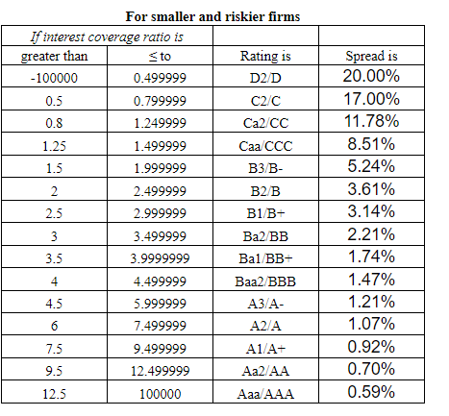

DEBT

 | cost of debt
 | the cost of borrowing is equal to the risk free rate plus the company default risk

 | risk free rate Assumption
 | 4.40% |  |  |  | 3.00%

 | cost of debt = rf + x*country default risk + company default risk
 | x = 0; the usa has a default risk of 0%
 | cost of debt = rf+company default risk

 | PLP has no bonds outstanding

 | interest coverage ratio = operating income/interest expenses =11559/708 = |  |  |  |  | 16.326271186 |  | 0.59%

 | cost of debt Assumption
 | 4.99% |  |  |  | 3.59%

 |  |  | current | 1 | 2 | 3 | 4 | 5 | terminal
 |  |  | 4.99% | 4.76% | 4.52% | 4.29% | 4.06% | 3.82% | 3.59%
 |  |  |  | -0.0023316666667 | -0.0023316666667 | -0.0023316666667 | -0.0023316666667 | -0.0023316666667
 | market value of debt
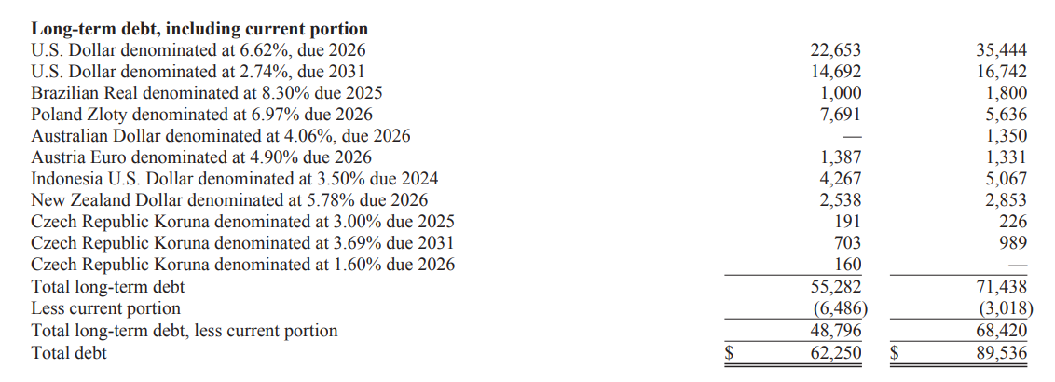
 | to calculate the market value of debt we would treat the debt as a bond

 | due | year until due | total debt
2024 | 2025 | 1 | $1,191.00
2024 | 2026 | 2 | $34,429.00
2024 | 2031 | 7 | $15,396.00
2024 | total | 10
2024
2024 | year until all debt is be due - 10
2024
2024
2024 | year | 1 | 2 | 3 | 4 | 5 | 6 | 7 | 8 | 9 | 10
2024 | interest exp | 3547 | 3547 | 3547 | 3547 | 3547 | 3547 | 3547 | 3547 | 3547 | 3547
2024 | cost of debt | 4.76% | 4.52% | 4.29% | 4.06% | 3.82% | 3.59% | 3.59% | 3.59% | 3.59% | 3.59%
 | present value | 3385.9689596 | 3246.6855338 | 3127.0831727 | 3025.4300392 | 2940.2877435 | 2870.4777844 | 2770.998923 | 2674.9675867 | 2582.2642983 | 2492.7737217

 | total: | $29,116.94 | in thousands
 | total debt: | $62,250.00
 | market value of debt: | $91,366.94 | thousands | $91.37 | mill

tax rate

 | current effective tax rate: | 19.02%
 |  |  |  |  |  |  |  |  |  |  |  | $7 | 2023 | $19
 | year | income before taxes | income tax expense | tax rate |  |  |  |  |  |  |  | $7 | 2022 | $19
 | 2009 | $30.00 | $7.00 | 23.3% |  |  |  |  |  |  |  | $15 | 2021 | $13
 | 2010 | $30.00 | $7.00 | 23.3% |  |  |  |  |  |  |  | $16 | 2020 | $11
 | 2011 | $46.00 | $15.00 | 32.6% |  |  |  |  |  |  |  | $11 | 2019 | $8
 | 2012 | $45.00 | $16.00 | 35.6% |  |  |  |  |  |  |  | $9 | 2018 | $6
 | 2013 | $32.00 | $11.00 | 34.4% |  |  |  |  |  |  |  | $5 | 2017 | $13
 | 2014 | $21.00 | $9.00 | 42.9% |  |  |  |  |  |  |  | $6 | 2016 | $6
 | 2015 | $12.00 | $5.00 | 41.7% |  |  |  |  |  |  |  | $13 | 2015 | $5
 | 2016 | $21.00 | $6.00 | 28.6% |  |  |  |  |  |  |  | $6 | 2014 | $9
 | 2017 | $26.00 | $13.00 | 50.0% |  |  |  |  |  |  |  | $8 | 2013 | $11
 | 2018 | $33.00 | $6.00 | 18.2% |  |  |  |  |  |  |  | $11 | 2012 | $16
 | 2019 | $31.00 | $8.00 | 25.8% |  |  |  |  |  |  |  | $13 | 2011 | $15
 | 2020 | $41.00 | $11.00 | 26.8% |  |  |  |  |  |  |  | $19 | 2010 | $7
 | 2021 | $49.00 | $13.00 | 26.5% |  | 24.4% | 25.7% |  |  |  |  | $19 | 2009 | $7
 | 2022 | $74.00 | $19.00 | 25.7%
 | 2023 | $82.00 | $19.00 | 23.2%
 | 2024 |  |  | 19.02%

 | tax rate Assumption
 | effective tax rate |  |  |  | corporate marginal tax rate of 21%

 | 19.02% |  |  |  | 21.00%

 | current | 1 | 2 | 3 | 4 | 5 | terminal
 | 19.02% | 19.35% | 19.68% | 20.01% | 20.34% | 20.67% | 21.00%
 |  | 0.0033055040198 | 0.0033055040198 | 0.0033055040198 | 0.0033055040198 | 0.0033055040198

WACC

 | period | current | terminal
 | cost of equity | 11.07% | 8.72%
 | market value of equity | $585.48 | $585.48
 | cost of debt | 4.99% | 3.59%
 | tax rate | 19% | 21%
 | after tax cost of debt | 4.040% | 2.836%
 | market value of debt | $91.37 | $91.3669
 | debt porion of capital | 13.5% | 13.5%
 | equity portion of capital | 86.5% | 86.5%
 | cost of capital (WACC) | 10.12% | 7.93%

 | Weight Average Cost of Capital Assumption
 | 10.12% |  |  |  | 7.93%

 | year | current | 1 | 2 | 3 | 4 | 5 | 6 | 7 | 8 | terminal
 |  | 10.12% | 9.87% | 9.63% | 9.39% | 9.14% | 8.90% | 8.66% | 8.41% | 8.17% | 7.93%
 |  |  | -0.0024355799706 | -0.0024355799706 | -0.0024355799706 | -0.0024355799706 | -0.0024355799706 | -0.0024355799706 | -0.0024355799706 | -0.0024355799706 | -0.0024355799706

Story&Estimates
 | growth %
1996
1997 | 10.8%
1998 | 5.7%
1999 | -9.7%
2000 | 6.2%
2001 | -5.3%
2002 | -13.5%
2003 | -9.7%
2004 | 19.4%
2005 | 12.4%
2006 | 5.4%
2007 | 7.5%
2008 | 15.6%
2009 | -4.7%
2010 | 31.5%
2011 | 25.4%
2012 | 3.5%
2013 | -6.6%
2014 | -5.4%
2015 | -8.5%
2016 | -5.1%
2017 | 12.2%
2018 | 11.4%
2019 | 5.7%
2020 | 4.8%
2021 | 10.9%
2022 | 23.1%
2023 | 5.1%
story
 | inflation cools down, intrest rates get lower, demand strengthen, positive growth, "buisness as usual".

 | second scenerio
 | 3 years negative growth
 | 10.8%
 | 5.7%
 | 6.2%
 | 19.4%
 | 12.4%
 | 5.4%
 | 7.5%
 | 15.6%
 | 3.5%
 | 12.2%
 | 11.4%
 | 5.7%
 | 4.8%
 | 10.9%
 | 23.1%
 | 5.1%

 | growth rates
 |  |  |  |  |  |  |  |  |  |  |  |  | growth %
 | year | revenue | growth % |  |  |  |  |  |  |  |  |  |  |  |  |  |  |  | year | revenue | growth %
 | 1996 | $184.78 |  |  |  |  |  |  |  |  |  |  | 10.8% |  |  |  |  |  | 1999 | $195.25 | -9.7%
 | 1997 | $204.64 | 10.8% |  |  |  |  |  |  |  |  |  | 5.7% |  |  |  |  |  | 2001 | $196.37 | -5.3%
 | 1998 | $216.24 | 5.7% |  |  |  |  |  |  |  |  |  | 6.2% |  |  |  |  |  | 2002 | $169.84 | -13.5%
 | 1999 | $195.25 | -9.7% |  |  |  |  |  |  |  |  |  | 19.4% |  |  |  |  |  | 2003 | $153.33 | -9.7%
 | 2000 | $207.33 | 6.2% |  |  |  |  |  |  |  |  |  | 12.4% |  |  |  |  |  | 2009 | $257.00 | -4.7%
 | 2001 | $196.37 | -5.3% |  |  |  |  |  |  |  |  |  | 5.4% |  |  |  |  |  | 2013 | $410.00 | -6.6%
 | 2002 | $169.84 | -13.5% |  |  |  |  |  |  |  |  |  | 7.5% |  |  |  |  |  | 2014 | $388.00 | -5.4%
 | 2003 | $153.33 | -9.7% |  |  |  |  |  |  |  |  |  | 15.6% |  |  |  |  |  | 2015 | $355.00 | -8.5%
 | 2004 | $183.11 | 19.4% |  |  |  |  |  | -9.7% |  |  |  | 3.5% |  |  |  |  |  | 2016 | $337.00 | -5.1%
 | 2005 | $205.80 | 12.4% |  |  |  |  |  | -5.3% |  | -7.6% |  | 12.2%
 | 2006 | $216.94 | 5.4% |  |  |  |  |  | -13.5% |  | -6.6% |  | 11.4%
 | 2007 | $233.29 | 7.5% |  |  |  |  |  | -9.7% |  |  |  | 5.7%
 | 2008 | $269.74 | 15.6% |  |  |  |  |  | -4.7% |  |  |  | 4.8%
 | 2009 | $257.00 | -4.7% |  |  | average | 5.5% |  | -6.6% |  |  |  | 10.9%
 | 2010 | $338.00 | 31.5% |  |  | median | 5.7% |  | -5.4% |  |  |  | 23.1%
 | 2011 | $424.00 | 25.4% |  |  | excluding negative growth |  |  | -8.5% |  |  |  | 5.1%
 | 2012 | $439.00 | 3.5% |  |  | average | 10.0% |  | -5.1%
 | 2013 | $410.00 | -6.6% |  |  | median | 9.1%
 | 2014 | $388.00 | -5.4%
 | 2015 | $355.00 | -8.5%
 | 2016 | $337.00 | -5.1% | 6.06%
 | 2017 | $378.00 | 12.2%
 | 2018 | $421.00 | 11.4%
 | 2019 | $444.90 | 5.7% | 10.5%
 | 2020 | $466.40 | 4.8%
 | 2021 | $517.40 | 10.9%
demand bounces back
 | 2022 | $637.00 | 23.1% |  |  | average industry growth: |  |  | 9.88%
 | 2023 | $669.70 | 5.1%
 |  |  |  |  |  | the management expect a weaker start half of the year 2024

 |  | year | 1 | 2 | 3 | 4 | 5 | 6 | 7 | 8 | terminal
 |  | growth rate | -7.0% | 7.0% | 7.7% | 8.4% | 9.1% | 9.1% | 9.1% | 9.1% | 9.1%
 |  |  |  | 0.7% | 0.7% | 0.7%
 | year | revenue | growth %
 | 1999 | $195.25 | -9.7% |  |  |  |  | average: | -7.6%
 | 2001 | $196.37 | -5.3% |  |  |  |  | median: | -6.6%
 | 2002 | $169.84 | -13.5%
 | 2003 | $153.33 | -9.7% |  |  |  |  | average of average and median: |  | -7.1%
 | 2009 | $257.00 | -4.7% | 0.04025 | 0.04025 | 0.04025 | 0.04025 | 0.04025
 | 2013 | $410.00 | -6.6%
 | 2014 | $388.00 | -5.4%
 | 2015 | $355.00 | -8.5%
 | 2016 | $337.00 | -5.1%

 |  | year | 1 | 2 | 3 | 4 | 5 | 6 | 7 | 8 | terminal
 |  | growth rate | -7.0% | -7.0% | -7.0% | 5.7% | 7.0% | 8.1% | 9.2% | 9% | 9.0%

 | operating margins

 | current operating margins: |  |  | 8.20%

 | year | revenue | operating income | operating margin |  |  |  |  |  |  |  |  |  |  | average: | 8.20%
 | 2009 | $257.00 | $19.46 | 7.57% |  |  |  |  |  |  |  |  |  |  | median: | 7.82%
 | 2010 | $338.00 | $28.48 | 8.43%
 | 2011 | $424.00 | $45.35 | 10.70%
 | 2012 | $439.00 | $44.12 | 10.05%
 | 2013 | $410.00 | $31.15 | 7.60%
 | 2014 | $388.00 | $21.24 | 5.47%
 | 2015 | $355.00 | $12.35 | 3.48%
 | 2016 | $337.00 | $21.48 | 6.37%
 | 2017 | $378.00 | $26.11 | 6.91%
 | 2018 | $421.00 | $32.93 | 7.82%
 | 2019 | $444.90 | $32.63 | 7.33%
 | 2020 | $466.40 | $40.21 | 8.62%
 | 2021 | $517.40 | $47.55 | 9.19%
 | 2022 | $637.00 | $69.36 | 10.89%
 | growth %
1996
1997 | 10.8%
1998 | 5.7%
1999 | -9.7%
2000 | 6.2%
2001 | -5.3%
2002 | -13.5%
2003 | -9.7%
2004 | 19.4%
2005 | 12.4%
2006 | 5.4%
2007 | 7.5%
2008 | 15.6%
2009 | -4.7%
2010 | 31.5%
2011 | 25.4%
2012 | 3.5%
2013 | -6.6%
2014 | -5.4%
2015 | -8.5%
2016 | -5.1%
2017 | 12.2%
2018 | 11.4%
2019 | 5.7%
2020 | 4.8%
2021 | 10.9%
2022 | 23.1%
2023 | 5.1%
 | 2023 | $669.70 | $84.15 | 12.57%
 |  |  |  |  |  |  |  |  |  |  |  |  |  | 7.57%
 |  |  |  |  |  |  |  |  |  |  |  |  |  | 8.43%
 |  |  |  |  |  |  |  |  |  |  |  |  |  | 10.70% |  | average operating margins excluding negative growth years: |  | 9.10%
 | electrical equipment industry avg operating margins: 11% |  |  |  |  |  |  |  |  |  |  |  |  | 10.05% |  | median operating margins excluding negative growth years: |  | 8.62%
 | building products retail avg operating margins: 13.2% |  |  |  |  |  |  |  |  |  |  |  |  | 6.91%
 |  |  |  |  |  |  |  |  |  |  |  |  |  | 7.82%
 |  |  |  |  |  |  |  |  |  |  |  |  |  | 7.33%
 |  |  |  |  |  |  |  |  |  |  |  |  |  | 8.62%
 |  |  |  |  |  |  |  |  |  |  |  |  |  | 9.19%
 |  |  |  |  |  |  |  |  |  |  |  |  |  | 10.89%
 |  |  |  |  |  |  |  |  |  |  |  |  |  | 12.57%

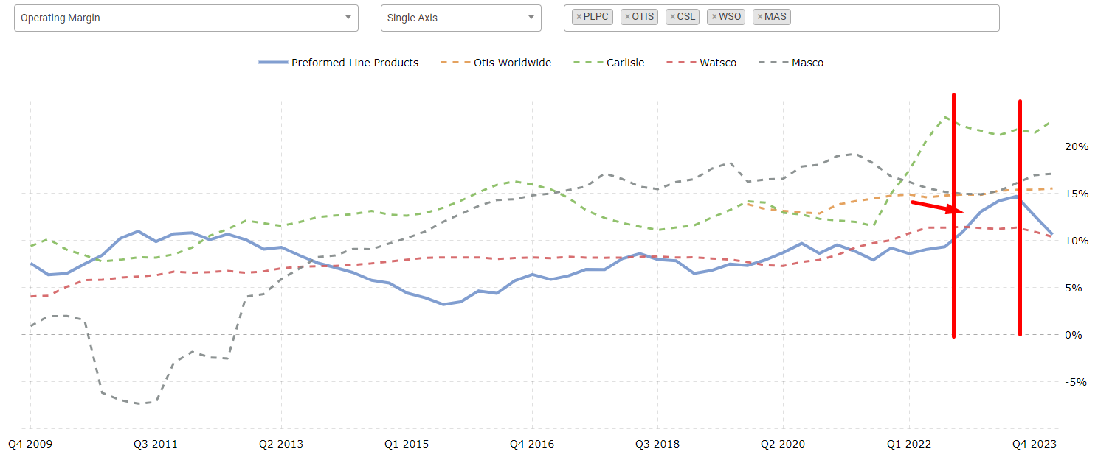

 |  |  | operating margins Assumption
 |  |  | 10.00% |  |  | 12.00%

 |  |  | year | current | 1 | 2 | 3 | 4 | 5 | terminal
 |  |  | operating margins | 10.0% | 10.0% | 10.4% | 10.8% | 11.2% | 11.6% | 12%
 |  |  |  |  |  | 0.004 | 0.004 | 0.004 | 0.004

 |  | second scenerio

 |  |  | operating margins Assumption
 |  |  | 10.00% |  |  | median op margins of 7.82% |  |  | 12%

 |  |  | year | current | 1 | 2 | 3 | 4 | 5 | 6 | 7 | 8 | terminal
 |  |  | operating margins | 10.00% | 9.3% | 8.5% | 7.82% | 10.4% | 10.8% | 11.2% | 11.6% | 12% | 12.000%
 |  |  |  |  | 0.0072666666667 | 0.0072666666667

 | reinvestment

 | year | revenue | capital ex | depr&amort | net cap ex | account rec | inventories | prepaid ex | trade acc payable | income taxes | pension | other | chg in non cash wc | chg wc % rev | reinvestment | operating inc | re rate
 | 1996 | $184.78 |  |  | $- |  |  |  |  |  |  |  | $- | 0.0% | $-
 | 1997 | $204.64 |  |  | $- |  |  |  |  |  |  |  | $- | 0.0% | $-
 | 1998 | $216.24 | $14.980 | $8.754 | $6.226 | $-1.132 | $-6.743 |  | $-1.329 | $1.959 |  | $0.720 | $-6.525 | -3.0% | $-0.299
 | 1999 | $195.25 | $13.136 | $9.786 | $3.350 | $0.589 | $-5.064 |  | $0.959 | $0.166 |  | $-2.004 | $-5.354 | -2.7% | $-2.004
 | 2000 | $207.33 | $14.338 | $11.411 | $2.927 | $-1.870 | $0.561 |  | $2.681 | $0.304 |  | $0.057 | $1.733 | 0.8% | $4.660
 | 2001 | $196.37 | $6.196 | $10.320 | $-4.124 | $1.588 | $3.023 |  | $0.297 | $-2.946 |  | $-2.059 | $-0.097 | 0.0% | $-4.221
 | 2002 | $169.84 | $4.706 | $9.018 | $-4.312 | $3.910 | $2.402 |  | $-2.083 | $0.307 |  | $1.206 | $5.742 | 3.4% | $1.430
 | 2003 | $153.33 | $4.018 | $8.329 | $-4.311 | $2.999 | $4.483 |  | $-1.294 | $2.814 |  | $0.034 | $9.036 | 5.9% | $4.725
 | 2004 | $183.11 | $6.187 | $7.385 | $-1.198 | $-4.503 | $-3.703 |  | $3.036 | $-1.597 |  | $0.232 | $-6.535 | -3.6% | $-7.733
 | 2005 | $205.80 | $7.737 | $7.214 | $0.523 | $2.186 | $-1.728 |  | $2.528 | $-0.197 |  | $-0.293 | $2.496 | 1.2% | $3.019
 | 2006 | $216.94 | $10.198 | $7.534 | $2.664 | $-3.632 | $-1.688 |  | $-0.751 | $0.936 |  | $-0.289 | $-5.424 | -2.5% | $-2.760
 | 2007 | $233.29 | $9.639 | $8.079 | $1.560 | $-6.365 | $-4.952 |  | $3.628 | $-0.585 |  | $-0.624 | $-8.898 | -3.8% | $-7.338
 | 2008 | $269.74 | $10.011 | $8.549 | $1.462 | $-4.603 | $-9.499 |  | $5.663 | $-2.251 |  | $1.048 | $-9.642 | -3.6% | $-8.180
 | 2009 | $257.00 | $10.667 | $7.249 | $3.418 | $-0.594 | $0.922 |  | $3.750 | $0.781 |  | $-1.581 | $3.278 | 1.3% | $6.696 | $19.46 | 34.41%
 | 2010 | $338.00 | $12.274 | $9.394 | $2.880 | $-4.977 | $-8.268 |  | $8.429 | $0.383 |  | $-2.327 | $-6.760 | -2.0% | $-3.880 | $28.48 | -13.62%
 | 2011 | $424.00 | $18.912 | $10.525 | $8.387 | $-16.061 | $-21.197 |  | $8.574 | $-0.815 |  | $0.180 | $-29.319 | -6.9% | $-20.932 | $45.35 | -46.15%
 | 2012 | $439.00 | $21.043 | $11.564 | $9.479 | $5.047 | $1.290 |  | $-3.196 | $3.381 |  | $0.200 | $6.722 | 1.5% | $16.201 | $44.12 | 36.72%
 | 2013 | $410.00 | $21.034 | $12.088 | $8.946 | $-10.273 | $3.040 |  | $-3.906 | $-4.670 |  | $-1.247 | $-17.056 | -4.2% | $-8.110 | $31.15 | -26.04%
 | 2014 | $388.00 | $17.663 | $12.857 | $4.806 | $-2.435 | $-5.704 |  | $6.716 | $-0.882 |  | $-1.501 | $-3.806 | -1.0% | $1.000 | $21.24 | 4.71%
 | 2015 | $355.00 | $10.75 | $11.532 | $-0.778 | $-2.965 | $-2.297 |  | $5.652 | $-4.038 |  | $2.478 | $-1.170 | -0.3% | $-1.948 | $12.35 | -15.77%
 | 2016 | $337.00 | $24.73 | $11.996 | $12.729 | $-2.292 | $-6.354 |  | $3.279 | $-4.999 |  | $0.035 | $-10.331 | -3.1% | $2.398 | $21.48 | 11.16%
 | 2017 | $378.00 | $11.233 | $12.790 | $-1.557 | $-9.205 | $-2.208 |  | $4.735 | $7.134 |  | $-0.301 | $0.155 | 0.0% | $-1.402 | $26.11 | -5.37%
 | 2018 | $421.00 | $9.528 | $12.444 | $-2.916 | $-4.499 | $-13.703 | $-3.723 | $3.048 | $-1.896 | $-5.340 | $1.870 | $-24.243 | -5.8% | $-27.159 | $32.93 | -82.46%
 | 2019 | $444.90 | $29.467 | $13.748 | $15.719 | $-9.777 | $-9.455 | $-0.932 | $6.087 | $0.634 | $- | $-3.263 | $-16.706 | -3.8% | $-0.987 | $32.63 | -3.03%
 | 2020 | $466.40 | $24.569 | $13.838 | $10.731 | $-10.539 | $0.080 | $-8.786 | $6.952 | $3.470 | $-0.330 | $1.285 | $-7.868 | -1.7% | $2.863 | $40.21 | 7.12%
 | 2021 | $517.40 | $18.384 | $15.564 | $2.820 | $-11.574 | $-24.154 | $-2.974 | $11.558 | $-4.332 | $- | $-3.335 | $-34.811 | -6.7% | $-31.991 | $47.55 | -67.28%
 | 2022 | $637.00 | $40.598 | $16.430 | $24.168 | $-28.049 | $-36.979 | $5.051 | $6.707 | $2.005 | $-2.132 | $-0.247 | $-53.150 | -8.3% | $-28.982 | $69.36 | -41.78%
 | 2023 | $669.70 | $35.332 | $18.914 | $16.418 | $16.969 | $-4.952 | $5.961 | $2.302 | $-0.937 | $-1.500 | $-4.647 | $13.196 | 2.0% | $29.614 | $84.15 | 35.19%

index | year | net cap ex
1 | 2008 | $1.462
2 | 2009 | $3.418
3 | 2010 | $2.880
4 | 2011 | $8.387
5 | 2012 | $9.479
6 | 2013 | $8.946
7 | 2014 | $4.806
8 | 2016 | $12.729
9 | 2019 | $15.719
10 | 2020 | $10.731
11 | 2022 | $24.168
12 | 2023 | $16.418

 | SUMMARY OUTPUT

 | Regression Statistics |  |  |  |  |  |  |  |  |  |  |  | index | year | net cap ex
 | Multiple R | 0.85554729984 |  |  |  |  |  |  |  |  |  |  | 1 | 2008 | $1.462
 | R Square | 73% |  |  |  |  |  |  |  |  |  |  | 2 | 2009 | $3.418
 | Adjusted R Square | 71% |  |  |  |  |  |  |  |  |  |  | 3 | 2010 | $2.880
 | Standard Error | 3.588496083 |  |  |  |  |  |  |  |  |  |  | 4 | 2011 | $8.387
 | Observations | 12 |  |  |  |  |  |  |  |  |  |  | 5 | 2012 | $9.479
 |  |  |  |  |  |  |  |  |  |  |  |  | 6 | 2013 | $8.946
 | ANOVA |  |  |  |  |  |  |  |  |  |  |  | 7 | 2014 | $4.806
 |  | df | SS | MS | F | Significance F |  |  |  |  |  |  | 8 | 2016 | $12.729
 | Regression | 1 | 351.65379554 | 351.65379554 | 27.308029055 | 0.00038667808377 |  |  |  |  |  |  | 9 | 2019 | $15.719 | 13.84897669
 | Residual | 10 | 128.77304138 | 12.877304138 |  |  |  |  |  |  |  |  | 10 | 2020 | $10.731
 | Total | 11 | 480.42683692 |  |  |  |  |  |  |  |  |  | 11 | 2022 | $24.168
 |  |  |  |  |  |  |  |  |  |  |  |  | 12 | 2023 | $16.418
 |  | Coefficients | Standard Error | t Stat | P-value | Lower 95% | Upper 95% | Lower 95.0% | Upper 95.0% |  |  |  | 13 | 2024 | 20.121606061 | -0.26443939394 | 1.5681573427
 | Intercept | -0.26443939394 | 2.2085666661 | -0.11973348959 | 0.90706560792 | -5.18543259 | 4.6565538021 | -5.18543259 | 4.6565538021 |  |  |  | 14 | 2025 | 21.689763403 | -0.26443939394 | 1.5681573427
 | index | 1.5681573427 | 0.30008511773 | 5.225708474 | 0.00038667808377 | 0.89952603293 | 2.2367886524 | 0.89952603293 | 2.2367886524 |  |  |  | 15 | 2026 | 23.257920746 | -0.26443939394 | 1.5681573427
 |  |  |  |  |  |  |  |  |  |  |  |  | 16 | 2027 | 24.826078089 | -0.26443939394 | 1.5681573427
 |  |  |  |  |  |  |  |  |  |  |  |  | 17 | 2028 | 26.394235431 | -0.26443939394 | 1.5681573427
 |  |  |  |  |  |  |  |  |  |  |  |  | 18 | 2029 | 27.962392774 | -0.26443939394 | 1.5681573427
 |  |  |  |  |  |  |  |  |  |  |  |  | 19 | 2030 | 29.530550117 | -0.26443939394 | 1.5681573427
 |  |  |  |  |  |  |  |  |  |  |  |  | 20 | 2031 | 31.098707459 | -0.26443939394 | 1.5681573427
 |  |  |  |  |  |  | net cap ex Assumption |  |  |  |  |  | 21 | 2032 | 32.666864802 | -0.26443939394 | 1.5681573427

 |  |  |  |  |  |  | 1 | 2 | 3 | 4 | 5 | 6 | 7 | 8 | 9
 |  |  |  |  |  |  | 20.121606061 | 21.689763403 | 23.257920746 | 24.826078089 | 26.394235431 | 27.962392774 | 29.530550117 | 31.098707459 | 32.666864802

 |  |  |  |  |  |  | second scenerio

 |  |  |  |  |  |  | 1 | 2 | 3 | 4 | 5 | 6 | 7 | 8 | 9
 |  |  |  |  |  |  | 20.121606061 | 20.121606061 | 20.121606061 | 20.121606061 | 21.689763403 | 23.257920746 | 24.826078089 | 26.394235431 | 27.962392774

 |  |  |  |  |  |  |  |  |  |  |  |  |  |  | -1.8%
 |  |  |  |  |  |  |  |  |  |  |  |  |  |  | -2.3%

 | chg in non cash wc as % of revenue Assumption
 | -2.00% |  |  | -2.00%

 |  |  |  |  |  |  | year | current | 1 | 2 | 3 | 4 | 5 | terminal
 |  |  |  |  |  |  | chg NWC | -2.3% | -2.3% | -2.3% | -2.3% | -2.3% | -2.3% | 0%
 |  |  |  |  |  |  |  |  |  | 0.004 | 0.004 | 0.004 | 0.004

 |  |  |  |  |  |  | operating margins Assumption
 |  |  |  |  |  |  | 10.00% |  |  | median op margins of 7.82% |  |  | 12%

 |  |  |  |  |  |  | year | current | 1 | 2 | 3 | 4 | 5 | 6 | 7 | 8 | terminal
 |  |  |  |  |  |  | chg NWC | -2.3% | -2.3% | -2.3% | -2.3% | -2.3% | -2.3% | -2.3% | -2.3% | -2.3% | 0.000%
 |  |  |  |  |  |  |  |  | 0.0072666666667 | 0.0072666666667

PRICING
Column1 | ticker | pe ratio | beta | year growth | avg 3y growth | payout ratio | analysts recommendation | price | pb ratio | ROE | ev to ebitda | avg ev to ebitda | industry | sector
0 | CSL | 26.01 | 0.90 | -15.83 | 7.62 | 20.459999 | buy | 423.03 | 6.961 | 27.2% | 18.023 | 20.92 | Building Products & Equipment | Industrials
1 | WSO | 38.12 | 0.87 | 0.13 | 13.40 | 75.33 | hold | 494.87 | 7.379 | 23.2% | 22.798 | 27.26 | Industrial Distribution | Industrials
2 | AOS | 22.86 | 1.14 | 2.63 | 10.31 | 32.209998 | hold | 89.02 | 6.859 | 31.4% | 15.659 | 21.75 | Specialty Industrial Machinery | Industrials
3 | ALLE | 20.38 | 1.13 | 11.58 | 10.37 | 29.85 | hold | 127.41 | 8.086 | 45.2% | 15.712 | 19.38 | Security & Protection Services | Industrials
4 | FBIN | 22.00 | 1.58 | -2.05 | 9.63 | 28.530002 | hold | 73.21 | 3.934 | 19.1% | 14.918 | 13.59 | Building Products & Equipment | Industrials
5 | SSD | 22.68 | 1.32 | 4.62 | 21.07 | 13.53 | buy | 182.82 | 4.445 | 21.3% | 14.221 | 17.61 | Lumber & Wood Production | Basic Materials
6 | SPXC | 44.27 | 1.20 | 19.19 | 15.69 | 0 | buy | 144.73 | 5.472 | 13.1% | 26.885 | 48.49 | Building Products & Equipment | Industrials
7 | AZEK | 42.54 | 1.88 | 1.09 | 15.72 | 0 | buy | 44.5 | 4.641 | 10.5% | 26.745 | 36.57 | Building Products & Equipment | Industrials
8 | GFF | 18.49 | 1.26 | -5.73 | 9.86 | 14.55 | strong_buy | 70.01 | 17.144 | 58.9% | 18.279 | 35.91 | Conglomerates | Industrials
9 | TGLS | 14.78 | 1.86 | 16.29 | 30.81 | 10.95 | buy | 52.45 | 4.201 | 33.9% | 8.472 | 13.07 | Building Materials | Basic Materials
10 | JBI | 14.00 | 0.91 | 4.60 | 25.72 | 0 | buy | 13.35 | 3.626 | 29.9% | 8.641 | 12.89 | Building Products & Equipment | Industrials
11 | AMWD | 12.61 | 1.63 | -10.58 | 2.39 | 0 | hold | 90.94 | 1.550 | 13.0% | 7.694 | 9.95 | Furnishings, Fixtures & Appliances | Consumer Cyclical
12 | APOG | 12.78 | 0.99 | -1.65 | 4.92 | 20.120001 | hold | 63.62 | 2.844 | 24.1% | 8.356 | 12.10 | Building Products & Equipment | Industrials
13 | NX | 12.81 | 1.30 | -7.44 | 10.80 | 13.11 | strong_buy | 30.81 | 1.815 | 15.2% | 7.277 | 8.15 | Building Products & Equipment | Industrials
14 | TILE | 16.25 | 2.01 | -2.81 | 4.71 | 3.96 | strong_buy | 16.51 | 2.231 | 14.9% | 9.580 | 13.04 | Building Products & Equipment | Industrials
15 | PLPC | 12.10 | 0.65 | 5.13 | 13.06 | 7.74 | none | 124.31 | 1.489 | 13.0% | 5.999 | 7.84 | Electrical Equipment & Parts | Industrials
16 | LYTS | 16.59 | 0.85 | 9.20 | 18.90 | 21.74 | buy | 15.43 | 2.161 | 15.1% | 9.721 | 15.73 | Electronic Components | Technology
17 | FGI | 17.16 | 1.43 | -27.50 | -1.22 | 0 | buy | 0.9601 | 0.412 | 1.5% | 7.847 | 5.14 | Furnishings, Fixtures & Appliances | Consumer Cyclical
pe vs beta
pe vs 3y growth

 | 0.60807619689 |  | average: | 21.467216139 |  |  | average: | 1.2726666667
 | 0.047218317198 |  | median: | 17.825886 |  |  | median: | 1.2265

 |  |  | highest: | 44.268883 |  |  | highest: | 2.014
 |  |  | lowest: | 12.10058 | PLPC |  | lowest: | 0.648 | PLPC
pe vs fiscal year's growth
 |  |  |  |  |  |  |  |  |  | average 3y growth: |  | 12.431
 |  |  |  |  |  |  |  |  |  | median 3y growth: |  | 10.583
PB raio vs ROE
 | a
27.2% | 6.961
23.2% | 7.379
31.4% | 6.859
45.2% | 8.086
19.1% | 3.934
21.3% | 4.445
13.1% | 5.472
10.5% | 4.641
33.9% | 4.201
29.9% | 3.626
13.0% | 1.550
24.1% | 2.844
15.2% | 1.815
14.9% | 2.231
13.0% | 1.489
15.1% | 2.161
1.5% | 0.412

 |  |  |  |  |  |  |  |  |  |  |  |  | pb ratio | ROE | Predicted pb ratio | ticker | ALPHA
 |  |  |  |  |  |  |  |  |  |  |  |  | 6.961 | 27.2% | 5.0255154856 | CSL | -1.936
 |  |  |  |  |  |  |  |  |  |  |  |  | 7.379 | 23.2% | 4.4007026272 | WSO | -2.978
 |  |  |  |  |  |  |  |  |  |  |  |  | 6.859 | 31.4% | 5.6772043205 | AOS | -1.182
 |  |  |  |  |  |  |  |  |  |  |  |  | 8.086 | 45.2% | 7.806726678 | ALLE | -0.280
 |  |  |  |  |  |  |  |  |  |  |  |  | 3.934 | 19.1% | 3.7569370509 | FBIN | -0.177
 |  |  |  |  |  |  |  |  |  |  |  |  | 4.445 | 21.3% | 4.0945096869 | SSD | -0.351
 |  |  |  |  |  |  |  |  |  |  |  |  | 5.472 | 13.1% | 2.8274845856 | SPXC | -2.645
 |  |  |  |  |  |  |  |  |  |  |  |  | 4.641 | 10.5% | 2.4305682139 | AZEK | -2.210
 |  |  |  |  |  |  |  |  |  |  |  |  | 4.201 | 33.9% | 6.0515951055 | GFF | 1.850
 |  |  |  |  |  |  |  |  |  |  |  |  | 3.626 | 29.9% | 5.4381224042 | JBI | 1.812
 |  |  |  |  |  |  |  |  |  |  |  |  | 1.550 | 13.0% | 2.8164548156 | AMWD | 1.266
 |  |  |  |  |  |  |  |  |  |  |  |  | 2.844 | 24.1% | 4.5288654478 | APOG | 1.685
 |  |  |  |  |  |  |  |  | average pb ratio: | 4.74 | average ROE: | 23% | 1.815 | 15.2% | 3.1607080746 | NX | 1.346
 |  |  |  |  |  |  |  |  | median pb ratio: | 4.07 | median ROE: | 20% | 2.231 | 14.9% | 3.1127051173 | TILE | 0.881
 |  |  |  |  |  | average: | 0.04722 |  |  |  |  |  | 1.489 | 13.0% | 2.8083766742 | PLPC | 1.320
 |  |  |  |  |  | median: | 0.60807619689 |  |  |  |  |  | 2.161 | 15.1% | 3.1448623341 | LYTS | 0.984
 |  |  |  |  |  |  |  |  |  |  |  |  | 0.412 | 1.5% | 1.0248162579 | FGI | 0.613

 |  |  |  |  |  |  |  |  |  |  |  |  | SUMMARY OUTPUT

 |  |  |  |  |  |  |  |  |  |  |  |  | Regression Statistics
 |  |  |  |  |  |  |  |  |  |  |  |  | Multiple R | 0.70678910902
 |  |  |  |  |  |  |  |  |  |  |  |  | R Square | 0.49955084463
 |  |  |  |  |  |  |  |  |  |  |  |  | Adjusted R Square | 0.4661875676
 |  |  |  |  |  |  |  |  |  |  |  |  | Standard Error | 1.6921612686
 |  |  |  |  |  |  |  |  |  |  |  |  | Observations | 17

 |  |  |  |  |  |  |  |  |  |  |  |  | ANOVA
 |  |  |  |  |  |  |  |  |  |  |  |  |  | df | SS | MS | F | Significance F
 |  |  |  |  |  |  |  |  |  |  |  |  | Regression | 1 | 42.874048687 | 42.874048687 | 14.973074865 | 0.0015124716039
 |  |  |  |  |  |  |  |  |  |  |  |  | Residual | 15 | 42.951146382 | 2.8634097588
 |  |  |  |  |  |  |  |  |  |  |  |  | Total | 16 | 85.825195069

 |  |  |  |  |  |  |  |  |  |  |  |  |  | Coefficients | Standard Error | t Stat | P-value | Lower 95% | Upper 95% | Lower 95.0% | Upper 95.0%
 |  |  |  |  |  |  |  |  |  |  |  |  | Intercept | 0.79256969209 | 0.92638418385 | 0.85555183898 | 0.40570494067 | -1.1819714556 | 2.7671108398 | -1.1819714556 | 2.7671108398
 |  |  |  |  |  |  |  |  |  |  |  |  | ROE | 15.534887347 | 4.014695491 | 3.8695057649 | 0.0015124716039 | 6.9777664669 | 24.092008226 | 6.9777664669 | 24.092008226

data
year | 2023 | 2022 | 2021 | 2020 | 2019 | 2018 | 2017 | 2016 | 2015 | 2014 | 2013 | 2012 | 2011 | 2010 | 2009 | 2008 | 2007 | 2006 | 2005 | 2004 | 2003 | 2002 | 2001 | 2000 | 1999 | 1998 | 1997 | 1996
revenue | $669.70 | $637.00 | $517.40 | $466.40 | $444.90 | $421.00 | $378.00 | $337.00 | $355.00 | $388.00 | $410.00 | $439.00 | $424.00 | $338.00 | $257.00 | $269.74 | $233.29 | $216.94 | $205.80 | $183.11 | $153.33 | $169.84 | $196.37 | $207.33 | $195.25 | $216.24 | $204.64 | $184.78
growth% | 5.13% | 23.12% | 10.93% | 4.83% | 5.68% | 11.38% | 12.17% | -5.07% | -8.51% | -5.37% | -6.61% | 3.54% | 25.44% | 31.52% | -4.72% | 15.63% | 7.54% | 5.41% | 12.39% | 19.42% | -9.72% | -13.51% | -5.29% | 6.19% | -9.71% | 5.67% | 10.75%
 | revenue | growth %
1996 | $184.78
1997 | $204.64 | 10.8%
1998 | $216.24 | 5.7%
1999 | $195.25 | -9.7%
2000 | $207.33 | 6.2%
2001 | $196.37 | -5.3%
2002 | $169.84 | -13.5%
2003 | $153.33 | -9.7%
2004 | $183.11 | 19.4%
2005 | $205.80 | 12.4%
2006 | $216.94 | 5.4%
2007 | $233.29 | 7.5%
2008 | $269.74 | 15.6%
2009 | $257.00 | -4.7%
2010 | $338.00 | 31.5%
2011 | $424.00 | 25.4%
2012 | $439.00 | 3.5%
2013 | $410.00 | -6.6%
2014 | $388.00 | -5.4%
2015 | $355.00 | -8.5%
2016 | $337.00 | -5.1%
2017 | $378.00 | 12.2%
2018 | $421.00 | 11.4%
2019 | $444.90 | 5.7%
2020 | $466.40 | 4.8%
2021 | $517.40 | 10.9%
2022 | $637.00 | 23.1%
2023 | $669.70 | 5.1%
year | revenue | growth % |  | year | revenue | growth %
2023 | $669.70 | 5.1% |  | 1996 | $184.78
2022 | $637.00 | 23.1% |  | 1997 | $204.64 | 10.8%
2021 | $517.40 | 10.9% |  | 1998 | $216.24 | 5.7%
2020 | $466.40 | 4.8% |  | 1999 | $195.25 | -9.7%
2019 | $444.90 | 5.7% |  | 2000 | $207.33 | 6.2%
2018 | $421.00 | 11.4% |  | 2001 | $196.37 | -5.3%
2017 | $378.00 | 12.2% |  | 2002 | $169.84 | -13.5%
2016 | $337.00 | -5.1% |  | 2003 | $153.33 | -9.7%
2015 | $355.00 | -8.5% |  | 2004 | $183.11 | 19.4%
2014 | $388.00 | -5.4% |  | 2005 | $205.80 | 12.4%
2013 | $410.00 | -6.6% |  | 2006 | $216.94 | 5.4%
2012 | $439.00 | 3.5% |  | 2007 | $233.29 | 7.5%
2011 | $424.00 | 25.4% |  | 2008 | $269.74 | 15.6%
2010 | $338.00 | 31.5% |  | 2009 | $257.00 | -4.7% |  |  |  |  |  |  |  |  |  |  |  |  |  |  |  |  |  |  | 2023 | $670
2009 | $257.00 | -4.7% |  | 2010 | $338.00 | 31.5% |  |  |  |  |  |  |  |  |  |  |  |  |  |  |  |  |  |  | 2022 | $637
 | growth %
1996
1997 | 10.8%
1998 | 5.7%
1999 | -9.7%
2000 | 6.2%
2001 | -5.3%
2002 | -13.5%
2003 | -9.7%
2004 | 19.4%
2005 | 12.4%
2006 | 5.4%
2007 | 7.5%
2008 | 15.6%
2009 | -4.7%
2010 | 31.5%
2011 | 25.4%
2012 | 3.5%
2013 | -6.6%
2014 | -5.4%
2015 | -8.5%
2016 | -5.1%
2017 | 12.2%
2018 | 11.4%
2019 | 5.7%
2020 | 4.8%
2021 | 10.9%
2022 | 23.1%
2023 | 5.1%
2008 | $269.74 | 15.6% |  | 2011 | $424.00 | 25.4% |  |  |  |  |  |  |  |  |  |  |  |  |  |  |  |  |  |  | 2021 | $517
2007 | $233.29 | 7.5% |  | 2012 | $439.00 | 3.5% |  |  |  |  |  |  |  |  |  |  |  |  | 5.5% |  |  |  |  |  | 2020 | $466
2006 | $216.94 | 5.4% |  | 2013 | $410.00 | -6.6% |  |  |  |  |  |  |  |  |  |  |  |  | 5.7% |  |  |  |  |  | 2019 | $445
2005 | $205.80 | 12.4% |  | 2014 | $388.00 | -5.4% |  |  |  |  |  |  |  |  |  |  |  |  |  |  |  |  |  |  | 2018 | $421
2004 | $183.11 | 19.4% |  | 2015 | $355.00 | -8.5% |  |  |  |  |  |  |  |  |  |  |  |  |  |  |  |  |  |  | 2017 | $378
2003 | $153.33 | -9.7% |  | 2016 | $337.00 | -5.1% |  |  |  |  |  |  |  |  |  |  |  |  |  |  |  |  |  |  | 2016 | $337
2002 | $169.84 | -13.5% |  | 2017 | $378.00 | 12.2% |  |  |  |  |  |  |  |  |  |  |  |  |  |  |  |  |  |  | 2015 | $355
2001 | $196.37 | -5.3% |  | 2018 | $421.00 | 11.4% |  |  |  |  |  |  |  |  |  |  |  |  |  |  |  |  |  |  | 2014 | $388
2000 | $207.33 | 6.2% |  | 2019 | $444.90 | 5.7% |  |  |  |  |  |  |  |  |  |  |  |  |  |  |  |  |  |  | 2013 | $410
1999 | $195.25 | -9.7% |  | 2020 | $466.40 | 4.8% |  |  |  |  |  |  |  |  |  |  |  |  |  |  |  |  |  |  | 2012 | $439
1998 | $216.24 | 5.7% |  | 2021 | $517.40 | 10.9% |  |  |  |  |  |  |  |  |  |  |  |  |  |  |  |  |  |  | 2011 | $424
1997 | $204.64 | 10.8% |  | 2022 | $637.00 | 23.1% |  |  |  |  |  |  |  |  |  |  |  |  |  |  |  |  |  |  | 2010 | $338
1996 | $184.78 |  |  | 2023 | $669.70 | 5.1% |  |  |  |  |  |  |  |  |  |  |  |  |  |  |  |  |  |  | 2009 | $257

 |  |  |  |  |  |  | growth %
growth %
 |  |  |  |  |  |  | 10.8%
10.8% | average | 10.0% |  |  |  |  | 5.7% |  | 12.0%
5.7% | median | 9.1% |  |  |  |  | 6.2% |  | 10.8%
6.2% |  |  |  |  |  |  | 19.4%
19.4% |  |  |  |  |  |  | 12.4%
12.4% |  |  |  |  |  |  | 5.4%
5.4% |  |  |  |  |  |  | 7.5%
7.5% |  |  |  |  |  |  | 15.6%
15.6% |  |  |  |  |  |  | 31.5%
3.5% |  |  |  |  |  |  | 25.4%
12.2% |  |  |  |  |  |  | 3.5%
11.4% |  |  |  |  |  |  | 12.2%
5.7% |  |  |  |  |  |  | 11.4%
4.8% |  |  |  |  |  |  | 5.7%
10.9% |  |  |  |  |  |  | 4.8%
23.1% |  |  |  |  |  |  | 10.9%
5.1% |  |  |  |  |  |  | 23.1%
 |  |  |  |  |  |  | 5.1%

 | year | revenue | capital ex | depr&amort | net cap ex | account rec | inventories | prepaid ex | trade acc payable | income taxes | pension | other | chg in non cash wc | chg wc % rev | reinvestment | re rate
 | 1996 | $184.78 |  |  | $- |  |  |  |  |  |  |  | $- | 0.0% | $-
 | 1997 | $204.64 |  |  | $- |  |  |  |  |  |  |  | $- | 0.0% | $-
 | 1998 | $216.24 | $14.980 | $8.754 | $6.226 | $-1.132 | $-6.743 |  | $-1.329 | $1.959 |  | $0.720 | $-6.525 | -3.0% | $12.751
 | 1999 | $195.25 | $13.136 | $9.786 | $3.350 | $0.589 | $-5.064 |  | $0.959 | $0.166 |  | $-2.004 | $-5.354 | -2.7% | $8.704
 | 2000 | $207.33 | $14.338 | $11.411 | $2.927 | $-1.870 | $0.561 |  | $2.681 | $0.304 |  | $0.057 | $1.733 | 0.8% | $1.194
 | 2001 | $196.37 | $6.196 | $10.320 | $-4.124 | $1.588 | $3.023 |  | $0.297 | $-2.946 |  | $-2.059 | $-0.097 | 0.0% | $-4.027
 | 2002 | $169.84 | $4.706 | $9.018 | $-4.312 | $3.910 | $2.402 |  | $-2.083 | $0.307 |  | $1.206 | $5.742 | 3.4% | $-10.054
 | 2003 | $153.33 | $4.018 | $8.329 | $-4.311 | $2.999 | $4.483 |  | $-1.294 | $2.814 |  | $0.034 | $9.036 | 5.9% | $-13.347
 | 2004 | $183.11 | $6.187 | $7.385 | $-1.198 | $-4.503 | $-3.703 |  | $3.036 | $-1.597 |  | $0.232 | $-6.535 | -3.6% | $5.337
 | 2005 | $205.80 | $7.737 | $7.214 | $0.523 | $2.186 | $-1.728 |  | $2.528 | $-0.197 |  | $-0.293 | $2.496 | 1.2% | $-1.973
 | 2006 | $216.94 | $10.198 | $7.534 | $2.664 | $-3.632 | $-1.688 |  | $-0.751 | $0.936 |  | $-0.289 | $-5.424 | -2.5% | $8.088
 | 2007 | $233.29 | $9.639 | $8.079 | $1.560 | $-6.365 | $-4.952 |  | $3.628 | $-0.585 |  | $-0.624 | $-8.898 | -3.8% | $10.458
 | 2008 | $269.74 | $10.011 | $8.549 | $1.462 | $-4.603 | $-9.499 |  | $5.663 | $-2.251 |  | $1.048 | $-9.642 | -3.6% | $11.104
 | 2009 | $257.00 | $10.667 | $7.249 | $3.418 | $-0.594 | $0.922 |  | $3.750 | $0.781 |  | $-1.581 | $3.278 | 1.3% | $0.140
 | 2010 | $338.00 | $12.274 | $9.394 | $2.880 | $-4.977 | $-8.268 |  | $8.429 | $0.383 |  | $-2.327 | $-6.760 | -2.0% | $9.640
 | 2011 | $424.00 | $18.912 | $10.525 | $8.387 | $-16.061 | $-21.197 |  | $8.574 | $-0.815 |  | $0.180 | $-29.319 | -6.9% | $37.706
 | 2012 | $439.00 | $21.043 | $11.564 | $9.479 | $5.047 | $1.290 |  | $-3.196 | $3.381 |  | $0.200 | $6.722 | 1.5% | $2.757
 | 2013 | $410.00 | $21.034 | $12.088 | $8.946 | $-10.273 | $3.040 |  | $-3.906 | $-4.670 |  | $-1.247 | $-17.056 | -4.2% | $26.002
 | 2014 | $388.00 | $17.663 | $12.857 | $4.806 | $-2.435 | $-5.704 |  | $6.716 | $-0.882 |  | $-1.501 | $-3.806 | -1.0% | $8.612
 | 2015 | $355.00 | $10.75 | $11.532 | $-0.778 | $-2.965 | $-2.297 |  | $5.652 | $-4.038 |  | $2.478 | $-1.170 | -0.3% | $0.392
 | 2016 | $337.00 | $24.73 | $11.996 | $12.729 | $-2.292 | $-6.354 |  | $3.279 | $-4.999 |  | $0.035 | $-10.331 | -3.1% | $23.060
 | 2017 | $378.00 | $11.233 | $12.790 | $-1.557 | $-9.205 | $-2.208 |  | $4.735 | $7.134 |  | $-0.301 | $0.155 | 0.0% | $-1.712
 | 2018 | $421.00 | $9.528 | $12.444 | $-2.916 | $-4.499 | $-13.703 | $-3.723 | $3.048 | $-1.896 | $-5.340 | $1.870 | $-24.243 | -5.8% | $21.327
 | 2019 | $444.90 | $29.467 | $13.748 | $15.719 | $-9.777 | $-9.455 | $-0.932 | $6.087 | $0.634 | $- | $-3.263 | $-16.706 | -3.8% | $32.425
 | 2020 | $466.40 | $24.569 | $13.838 | $10.731 | $-10.539 | $0.080 | $-8.786 | $6.952 | $3.470 | $-0.330 | $1.285 | $-7.868 | -1.7% | $18.599
 | 2021 | $517.40 | $18.384 | $15.564 | $2.820 | $-11.574 | $-24.154 | $-2.974 | $11.558 | $-4.332 | $- | $-3.335 | $-34.811 | -6.7% | $37.631
 | 2022 | $637.00 | $40.598 | $16.430 | $24.168 | $-28.049 | $-36.979 | $5.051 | $6.707 | $2.005 | $-2.132 | $-0.247 | $-53.150 | -8.3% | $77.318
 | 2023 | $669.70 | $35.332 | $18.914 | $16.418 | $16.969 | $-4.952 | $5.961 | $2.302 | $-0.937 | $-1.500 | $-4.647 | $13.196 | 2.0% | $3.222

 |  |  |  | -34.811

 | capital ex
1996
1997
1998 | $14.980
1999 | $13.136
2000 | $14.338
2001 | $6.196
2002 | $4.706
2003 | $4.018
2004 | $6.187
2005 | $7.737
2006 | $10.198
2007 | $9.639
2008 | $10.011
2009 | $10.667
2010 | $12.274
2011 | $18.912
2012 | $21.043
2013 | $21.034
2014 | $17.663
2015 | $10.754
2016 | $24.725
2017 | $11.233
2018 | $9.528
2019 | $29.467
2020 | $24.569
2021 | $18.384
2022 | $40.598
2023 | $35.332

 | year | revenue | net cap ex | chg in non cash wc | reinvestment | operating income | tax rate | oi after tax | reinvestment rate
 | 1996 | $184.78 | $- | $-
 | 1997 | $204.64 | $- | $-
 | 1998 | $216.24 | $6.226 | $-6.525 | $12.75
 | 1999 | $195.25 | $3.350 | $-5.354 | $8.70
 | 2000 | $207.33 | $2.927 | $1.733 | $1.19
 | 2001 | $196.37 | $-4.124 | $-0.097 | $-4.03
 | 2002 | $169.84 | $-4.312 | $5.742 | $-10.05
 | 2003 | $153.33 | $-4.311 | $9.036 | $-13.35
 | 2004 | $183.11 | $-1.198 | $-6.535 | $5.34
 | 2005 | $205.80 | $0.523 | $2.496 | $-1.97
 | 2006 | $216.94 | $2.664 | $-5.424 | $8.09
 | 2007 | $233.29 | $1.560 | $-8.898 | $10.46
 | 2008 | $269.74 | $1.462 | $-9.642 | $11.10
 | 2009 | $257.00 | $3.418 | $3.278 | $0.14 | $19.46 | 23.3% | $14.919 | 1%
 | 2010 | $338.00 | $2.880 | $-6.760 | $9.64 | $28.48 | 23.3% | $21.835 | 44%
 | 2011 | $424.00 | $8.387 | $-29.319 | $37.71 | $45.35 | 32.6% | $30.565 | 123%
 | 2012 | $439.00 | $9.479 | $6.722 | $2.76 | $44.12 | 35.6% | $28.434 | 10%
 | 2013 | $410.00 | $8.946 | $-17.056 | $26.00 | $31.15 | 34.4% | $20.441 | 127%
 | 2014 | $388.00 | $4.806 | $-3.806 | $8.61 | $21.24 | 42.9% | $12.136 | 71%
 | 2015 | $355.00 | $-0.778 | $-1.170 | $0.39 | $12.35 | 41.7% | $7.204 | 5%
 | 2016 | $337.00 | $12.729 | $-10.331 | $23.06 | $21.48 | 28.6% | $15.342 | 150%
 | 2017 | $378.00 | $-1.557 | $0.155 | $-1.71 | $26.11 | 50.0% | $13.054 | -13% |  | 70.53%
 | 2018 | $421.00 | $-2.916 | $-24.243 | $21.33 | $32.93 | 18.2% | $26.946 | 79% |  | 70.96%
 | 2019 | $444.90 | $15.719 | $-16.706 | $32.43 | $32.63 | 25.8% | $24.207 | 134%
 | 2020 | $466.40 | $10.731 | $-7.868 | $18.60 | $40.21 | 26.8% | $29.420 | 63%
 | 2021 | $517.40 | $2.820 | $-34.811 | $37.63 | $47.55 | 26.5% | $34.934 | 108%
 | 2022 | $637.00 | $24.168 | $-53.150 | $77.32 | $69.36 | 25.7% | $51.552 | 150%
 | 2023 | $669.70 | $16.418 | $13.196 | $3.22 | $84.15 | 23.2% | $64.655 | 5%

